YoY% Collected
 | Agriculture, forestry & fishing | Mining, energy and water supply | Manufacturing | Construction | Wholesale, retail & repair of motor vehicles | Transport & storage | Accommod-ation & food services | Information & communication | Financial, insurance and real estate activities | Professional, scientific & technical activities | Administrative & support services | Public admin & defence; social security | Education | Human health & social work activities
 | A | B, D, E | C | F | G | H | I | J | K, L | M | N | O | P | Q
OpH YoY% R_PPI | 4.79% | 0.74% | 0.49% | 0.21% | 0.44% | 0.33% | 0.56% | 0.23% | 0.39% | 0.52% | 0.42% | 0.79% | 0.51% | 0.56%
CpH YoY% R_PPI | 0.94% | 1.25% | 0.45% | 0.06% | 0.50% | 0.51% | 0.59% | 0.52% | 0.66% | 0.51% | 0.77% | 0.39% | 0.30% | 0.55%
OpH YoY% N | 5.37% | 1.18% | 0.91% | 1.07% | 0.74% | 0.70% | 0.91% | 0.47% | 0.66% | 0.75% | 0.59% | 0.99% | 0.78% | 0.88%
CpH YoY% N | 1.42% | 0.94% | 0.86% | 0.91% | 0.80% | 0.86% | 0.91% | 0.91% | 1.02% | 0.84% | 1.12% | 0.76% | 0.55% | 0.85%
CpH YoY% R_CPI | 0.92% | 0.44% | 0.37% | 0.41% | 0.31% | 0.36% | 0.41% | 0.41% | 0.53% | 0.35% | 0.63% | 0.27% | 0.06% | 0.36%

Productivity and Compensation Nexus, Adjusted with PPI
Productivity and Compensation, Adjusted with PPI

 |  |  |  |  |  |  |  |  |  |  |  |  |  |  | (For Equality Trendline)
 |  |  |  |  |  |  |  |  |  |  |  |  |  |  | 0 | 0.005 | 0.01 | 0.015 | 0.02
 |  |  |  |  |  |  |  |  |  |  |  |  |  |  | 0 | 0.005 | 0.01 | 0.015 | 0.02

Productivity and Compensation, Adjusted with CPI

Productivity and Compensation Nexus, Adjusted with CPI

Without agriculture
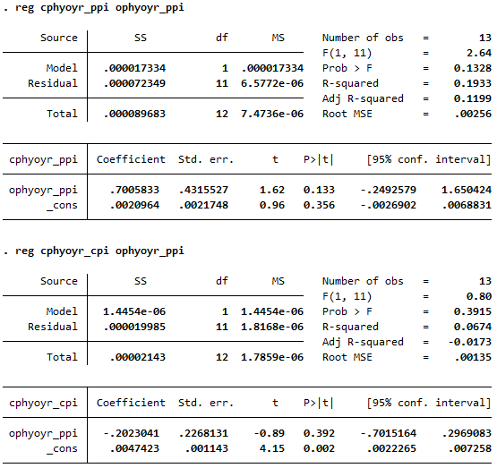

Productivity and Compensation Nexus, Adjusted with PPI, Excluding A

